COR
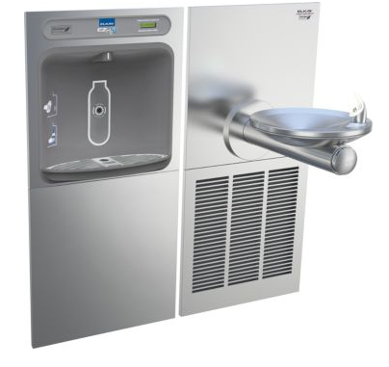
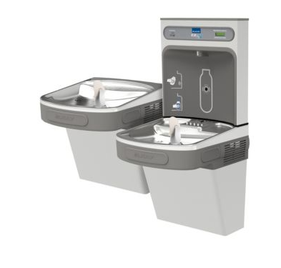
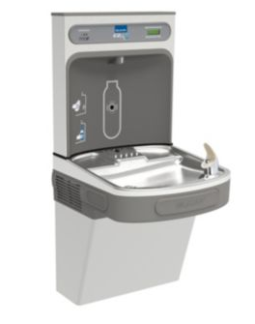
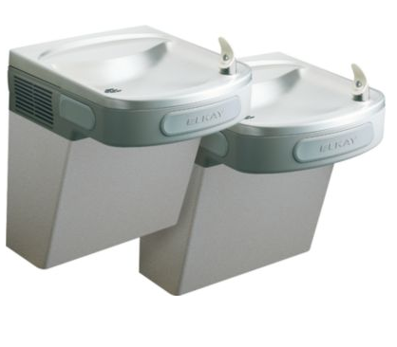
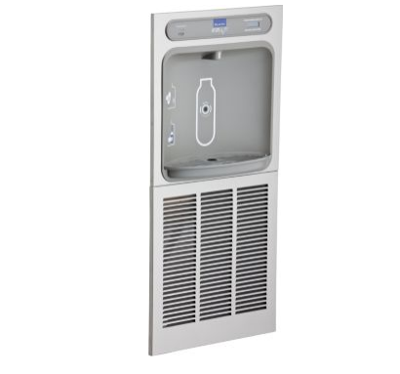
 |  |  |  |  |  |  | PROJECT: | CORA
 |  |  |  |  |  |  | DATE: | 2016-12-03
 |  |  |  |  |  |  | RFI/ASI:

DESCRIPTION OF CHANGE/WORK PERFORMED

CORE DRILL FOR NEW LOCATION OF TRENCH DRIANS

 |  | Labor |  |  |  | Material/Equipment |  |  |  | SUB TIER
Item | Description | Quan | UOM | Unit Cost | Total | Quan | UOM | Unit Cost | Total | UOM | Total
 | THADDEUS WAITS | 6 | HRS | $80.00 | $480
 | CORE DRILLING | 6.0 | HRS | $60.50 | $363
 | REVISE PIPING | 2.0 | HRS | $60.50 | $121

 | Subtotals |  |  |  | $964 |  |  |  | $0 |  | $0
 | OH & Profit |  |  | 15% | $145 |  |  | 15% | $0 | 15% | $0.00
 | Totals |  |  |  | $1,109 |  |  |  | $0 |  | $0.00
 | Total this item
 | 1,109

